Story


Overview
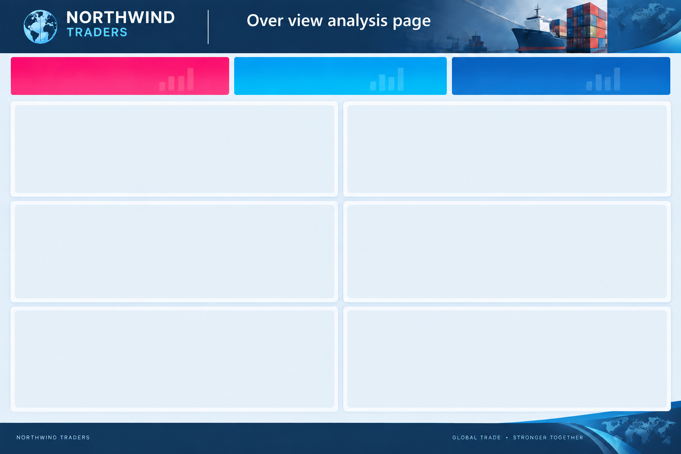

$1,353,703
809
USA
TOTAL ORDERS SALES
TOTAL ORDER COUNT
TOP SELLING COUNTRY

 | Total
USA | $259,547.72
Germany | $240,007.11
Austria | $127,374.61
Brazil | $110,772.28
France | $88,413.57
 | Total
Jan | $170,826.87
Apr | $164,579.31
Mar | $153,054.79
Feb | $147,569.87
Dec | $127,974.03
Oct | $113,666.40
Nov | $100,566.98
Sep | $88,626.12
Jul | $85,884.52
Aug | $79,166.57
May | $59,487.29
Jun | $36,362.80
Top 5 Selling Countries

Top 10 Selling Products
 | Total
Tarte au sucre | $50,737.10
Raclette Courdavault | $76,683.75
Thüringer Rostbratwurst | $84,783.77
Côte de Blaye | $153,897.18
 | Total
Federal Shipping | 30.8%
Speedy Express | 30.3%
United Package | 38.9%
Shippers Helping in sales

Selling Regions
Top 3 Suppliers in Sales
 | Total
Aux joyeux ecclésiastiques | $167,228.88
Plutzer Lebensmittelgroßmärkte AG | $154,424.40
Gai pâturage | $126,561.07

Date model
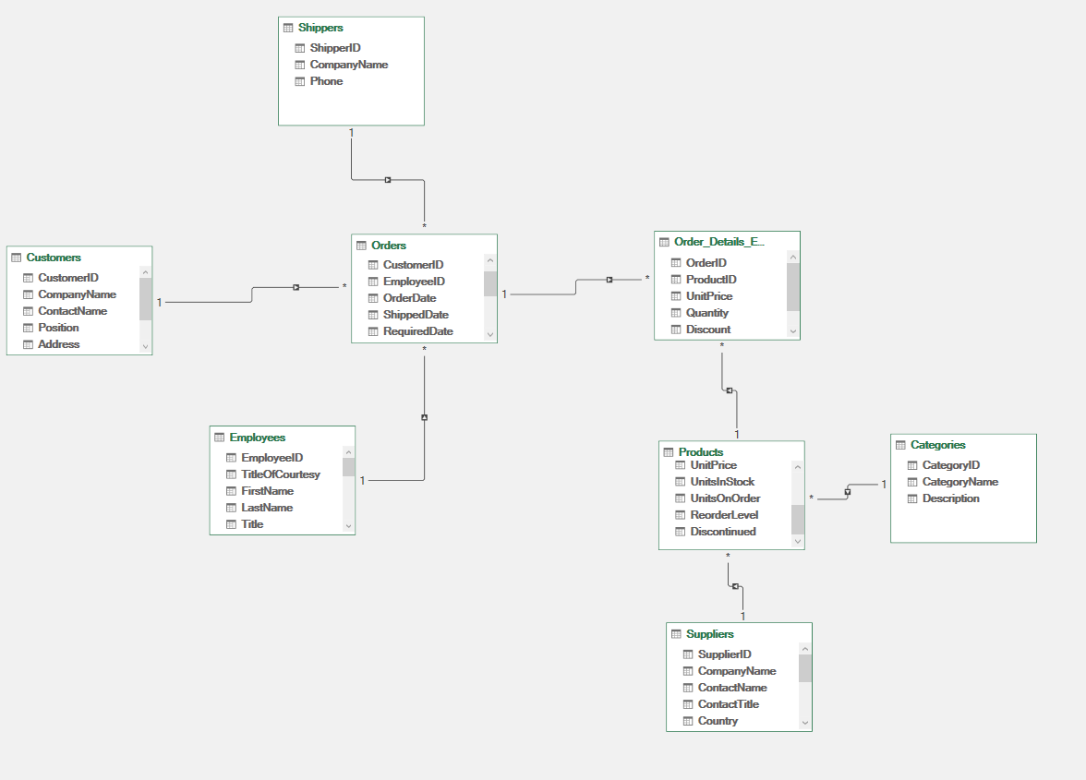

Documentation Business analysis
what is the trend of order sales ?
Key insights
Row Labels | Sum of Sales
Jan | $170,826.87
Apr | $164,579.31
Sales Trend
Mar | $153,054.79
Feb | $147,569.87
Dec | $127,974.03
Oct | $113,666.40
Nov | $100,566.98
Sep | $88,626.12
max sales : junuary min sales : june
Jul | $85,884.52
Aug | $79,166.57
May | $59,487.29
Jun | $36,362.80
Grand Total | $1,327,765.54

Top 10 seeling prodcuts
what are the most selling products ?

Top 10 Selling Products
Row Labels | Sum of Sales
Tarte au sucre | $50,737.10
Raclette Courdavault | $76,683.75
Thüringer Rostbratwurst | $84,783.77
Côte de Blaye | $153,897.18
Grand Total | $366,101.79

using bar charts as its the best in comparing multiple categories.
key insights : this will help to see which products are performing well so we focus on retreiving them and increasing the sales.

map top selling countries
what are the most selling products ?
Row Labels | Sum of Sales | Row Labels | Sum of Sales
USA | $259,547.72 | USA | 259547.7175
Germany | $240,007.11 | Germany | 240007.1135
Austria | $127,374.61 | Austria | 127374.6135
Brazil | $110,772.28 | Brazil | 110772.279
France | $88,413.57 | France | 88413.5675
Grand Total | $826,115.29 | UK | 63109.435
 |  | Venezuela | 57531.474
 |  | Sweden | 56660.2025
 |  | Canada | 54503.6
 |  | Ireland | 52623.643
 |  | Belgium | 36939.425
 |  | Denmark | 36596.8855
 |  | Switzerland | 32762.764
 |  | Mexico | 24770.3375
 |  | Finland | 20627.1925
 |  | Spain | 18815.49
 |  | Italy | 16260.24
 |  | Portugal | 12872.625
 |  | Argentina | 7929.88
 |  | Norway | 6000.35
 |  | Poland | 3646.7
 |  | Grand Total | 1327765.535

Top 3 supplying helping in sale
Top 3 Suppliers in Sales
Row Labels | Sum of Sales
Aux joyeux ecclésiastiques | $167,228.88
Plutzer Lebensmittelgroßmärkte AG | $154,424.40
Gai pâturage | $126,561.07
Grand Total | $448,214.35

Shippers Contributions in Sales
Shippers Contributions in Sales
Row Labels | Count of OrderID
Federal Shipping | 30.8%
Speedy Express | 30.3%
United Package | 38.9%
Grand Total | 100.0%

Customer&Employee Analysis1
Row Labels | Sum of Sales
QUICK-Stop | $114,693.87
Save-a-lot Markets | $108,703.29
Ernst Handel | $101,463.53
Rattlesnake Canyon Grocery | $56,061.78
Hungry Owl All-Night Grocers | $52,623.64
Hanari Carnes | $33,591.61
Mère Paillarde | $32,827.90
Königlich Essen | $32,040.65
Top 10 Customers
Folk och fä HB | $30,345.03
Frankenversand | $29,477.64
Grand Total | $591,828.94

